Chatroom Instructions
How to use this spreadsheet
Column | Description | Valid input | Notes | Example
 |  |  |  | Name of Character | Dialogue | pv | Sans Serif 1 | Sans Serif 2 | Serif 1 | Serif 2 | Curly | Blocky | Bold/Extra Bold (b, xb) | Big Font? | Image? | Bounce? | Special Bubble? | Result:
Name of Character: | The name of the speaking character | Jaehee / ja Jumin / ju Seven / s / 707 Saeran / sa Yoosung / y Zen / z MC / m Rika / ri Ray / r V / v Unknown / u | MC will automatically get corrected to whatever name you choose for her when the code runs in the program If you misspell a name or forget to type it, the "what to fill into the program" row will be highlighted in red | Rika | Chatroom enter/exit signs are written a different way. |  |  |  |  |  |  |  |  |  |  |  |  | 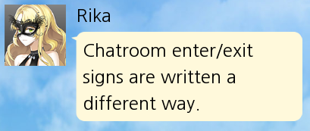
Dialogue: | The dialogue you want the speaker to say | Anything you like, though be careful that some things like double quotes (") need to have a \ before it to run properly in the program. | To have a character use an emoji or post a photo, the correct syntax is {image=seven wow} with nothing else in the dialogue row. You'll also want to make sure the "image" column is checked (see below) | Ray | Remember to cancel out \"quotes\" with a backslash.
pv: | Indicates any special timing for the bubble | For the most part, you can leave this blank and the program will auto-generate timing for you. Otherwise it's usually a number between 0 and 2 (0 is the fastest, with no wait between chat entries ('max speed'), and higher numbers slow down the time between entries) | If you have a menu after which MC replies, you'll usually want her first response after the menu to have a pv value of 0 so there isn't any simulated "type time" after the user hits an answer button. | MC | Here's some dialogue that could happen right after a menu option | 0 |  |  |  |  |  |  |  |  |  |  |  | 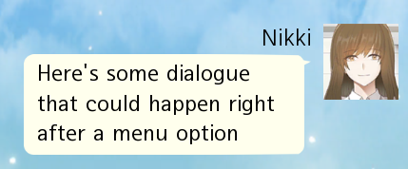
Fonts (columns D to I) | Put an 'x' under the column with the font you want | x or left blank | The default font is Sans Serif 1, so if nothing is checked that will be the font. You can only check one font at a time (otherwise just one font will 'win') | V | Here's some example dialogue with different fonts |  |  |  |  |  | x |  |  |  |  |  |  | 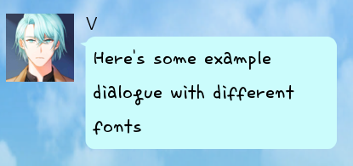
Bold/Extra Bold (b, xb) | If you want a bold or extra bold font, fill in this column with b or xb | b, xb, or left blank | If you want the Sans Serif 1 font (the default) in bold or xb, you'll need to make sure the Sans Serif 1 font column is checked off (it will try to do this for you) The curly and blocky fonts do not have bold/xbold versions | Zen | Here is an example of an extra bold font. |  |  | x |  |  |  |  | xb
Big Font? | Put an x in this column if the font size is large | x or left blank | Works with all of the fonts, including the bold/extra bold variants | Yoosung | Here's an example of really big text! |  | x |  |  |  |  |  |  | x
Image? | Put an x in this column if the character is posting an emoji or a CG | x or left blank | If you forget to check this off, the image will be posted inside a speech bubble (if it's an emoji, it won't automatically play the correct sound file, and the CG won't automatically be resized or clickable). In general, if the program detects that you've written "{image=" in the Dialogue column, it will automatically check this off for you. *Only* Saeran has two glow variants. To get the second, fill out the "Special Bubble" column with "glow2" | Seven | {image=seven cry} |  |  |  |  |  |  |  |  |  | x |  |  | 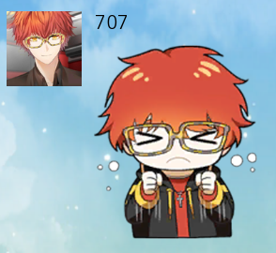
Bounce? | Put an x in this column if the animation when showing the bubble should 'bounce' | x or left blank | If you want the characters' "glowing" speech bubbles, checking this off without checking image or special bubble will give you a glowing bubble In-game, the only bubbles that 'bounce' are the glowing speech bubbles and special speech bubbles, not emojis or CGs This column gets automatically checked if the "Special Bubble" column is not blank. Saeran is the only character with two glow variants. To get the second, fill out the "Special Bubble?" column with "glow2" | Jaehee | This is an example of a glowing speech bubble. |  |  |  | x |  |  |  |  |  |  | x |  | 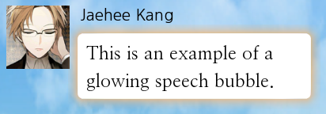
Special Bubble? | Fill this in with the name of any special speech bubbles you wish to use | cloud_s cloud_m cloud_l round_s round_m round_l square_s square_m square_l spike_s spike_m spike_l sigh_s sigh_m sigh_l glow2 | In some circumstances, characters have more than one speech bubble of a certain type. For example, Seven has two 'round' special bubbles, and the second can be used by putting "round2_s" instead of "round_s". *Only* Saeran has a 'glow2' bubble. _s _m and _l after the bubble type indicates its size Bubbles are tied to the speaking character, so the program will automatically use the "z_spike_m" bubble if Zen is the speaking character and the "Special Bubble" column is filled out with "spike_m" | Jumin | I am using my cloud_l bubble for this text |  |  |  |  |  |  |  |  |  |  | x | cloud_l | 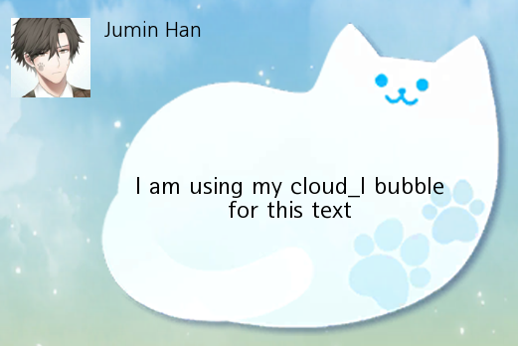

*All of the columns past O in the template spreadsheet are automatically filled in for you and you won't have to touch them except to copy paste code into the program

